Monthly deliveries
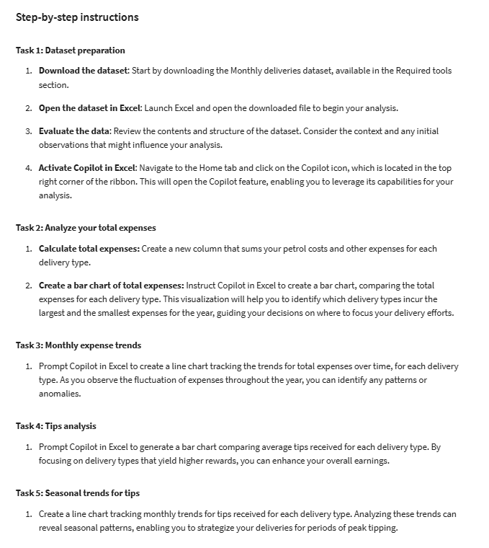
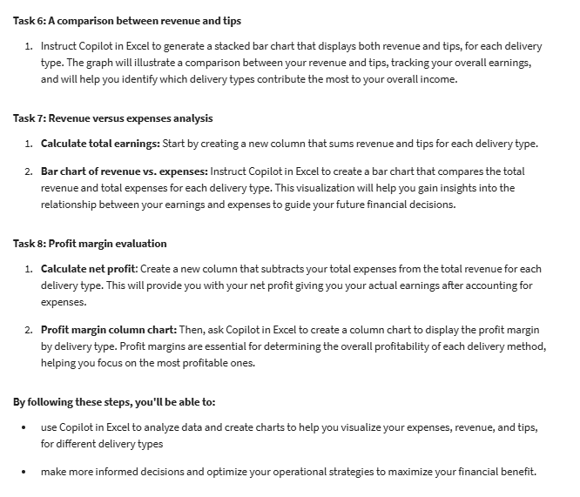
Delivery Type | Month | Petrol Costs | Revenue (Excluding Tips) | Tips | Other Expenses
Pizza Delivery | January | $500 | $4,500 | $600 | $300
Pizza Delivery | February | $450 | $4,350 | $550 | $280
Pizza Delivery | March | $520 | $4,680 | $700 | $320
Pizza Delivery | April | $550 | $4,950 | $650 | $310
Pizza Delivery | May | $600 | $5,400 | $800 | $350
Pizza Delivery | June | $650 | $5,850 | $750 | $400
Pizza Delivery | July | $700 | $6,300 | $900 | $420
Pizza Delivery | August | $680 | $6,120 | $850 | $390
Pizza Delivery | September | $720 | $6,480 | $950 | $410
Pizza Delivery | October | $750 | $6,750 | $1,000 | $440
Pizza Delivery | November | $800 | $7,200 | $1,100 | $470
Pizza Delivery | December | $900 | $8,100 | $1,200 | $500
Grocery Delivery | January | $1,000 | $9,000 | $1,200 | $600
Grocery Delivery | February | $950 | $8,550 | $1,100 | $580
Grocery Delivery | March | $1,050 | $9,450 | $1,300 | $620
Grocery Delivery | April | $1,100 | $9,900 | $1,400 | $640
Grocery Delivery | May | $1,200 | $10,800 | $1,500 | $660
Grocery Delivery | June | $1,250 | $11,250 | $1,600 | $680
Grocery Delivery | July | $1,300 | $11,700 | $1,700 | $700
Grocery Delivery | August | $1,280 | $11,520 | $1,800 | $720
Grocery Delivery | September | $1,350 | $12,150 | $1,900 | $740
Grocery Delivery | October | $1,400 | $12,600 | $2,000 | $760
Grocery Delivery | November | $1,500 | $13,500 | $2,100 | $780
Grocery Delivery | December | $1,600 | $14,400 | $2,200 | $800
Home Furniture Delivery | January | $2,500 | $22,500 | $3,000 | $1,000
Home Furniture Delivery | February | $2,250 | $20,250 | $2,500 | $950
Home Furniture Delivery | March | $2,800 | $25,200 | $3,500 | $1,200
Home Furniture Delivery | April | $3,000 | $27,000 | $4,000 | $1,300
Home Furniture Delivery | May | $3,250 | $29,250 | $4,500 | $1,400
Home Furniture Delivery | June | $3,500 | $31,500 | $5,000 | $1,500
Home Furniture Delivery | July | $3,300 | $29,700 | $4,800 | $1,350
Home Furniture Delivery | August | $3,450 | $31,050 | $5,200 | $1,450
Home Furniture Delivery | September | $3,600 | $32,400 | $5,500 | $1,600
Home Furniture Delivery | October | $3,750 | $33,750 | $5,800 | $1,700
Home Furniture Delivery | November | $4,000 | $36,000 | $6,000 | $1,800
Home Furniture Delivery | December | $4,500 | $40,500 | $7,000 | $1,900
Coffee Delivery | January | $1,000 | $9,000 | $800 | $300
Coffee Delivery | February | $1,200 | $10,800 | $900 | $350
Coffee Delivery | March | $1,500 | $13,500 | $1,100 | $400
Coffee Delivery | April | $1,400 | $12,600 | $1,000 | $350
Coffee Delivery | May | $1,650 | $14,850 | $1,200 | $450
Coffee Delivery | June | $1,800 | $16,200 | $1,400 | $500
Coffee Delivery | July | $2,000 | $18,000 | $1,500 | $550
Coffee Delivery | August | $1,950 | $17,550 | $1,600 | $520
Coffee Delivery | September | $2,100 | $18,900 | $1,700 | $550
Coffee Delivery | October | $2,250 | $20,250 | $1,800 | $600
Coffee Delivery | November | $2,500 | $22,500 | $2,000 | $650
Coffee Delivery | December | $3,000 | $27,000 | $2,500 | $700

